1. Title Page
INSTACART DATA ANALYSIS

Project Name: InstaCart Data Analysis
Date: 04-June-2021
Analyst Name: Joseph Tom

Contents:
Population Flow
Consistency checks
Wrangling steps
Column derivations
Visualizations
Recommendations

2. Population Flow
Title page

Population flow

Exclusion flag
Condition: max_order < 5
Obervations to be removed: 7989982
Final total count of order_products_all: 24414877

Orders_products_combined
Orders_products_merged
Orders_products_all

Total: 32404859
Total: 32434489
Total: 32404859

1.) The grey boxes in the first row of the population flow represent the original data sets as they were when you downloaded them. In the Total fields you need to add the count of the rows when you imported the data set into Jupyter.
2.) The second row of boxes (coloured) represents the data sets after you manipulated them, e.g., removed missing values and duplicates. In the Total fields you need to add the count of the rows after conducting these operations. This offers a visual oveview of how the data flows throughout the data consistency checks.
3.) The third row, where also the arrows are coloured, represents the merges you performed between the datasets. In the Total fields you need to add the count of the rows in the merged datasets, so that you end up with the final dataset (in the red box). Keep in mind the final dataset should be without exclusions (based on the exclusion flag).

3. Consistency checks
 |  |  |  | Title page
Consistency checks

Dataset | Missing values | Missing values treatment | Duplicates
orders | 206209 + 31 | Added '0' to missing value as they represented the latest orders made on the website. For the extra 31 rows that had missing values, they were ignored as they represented the first order made by a customer and the value will be 0 in the column 'days since prior order' | No Duplicates
products | 16 | Created a subset without the missing values | 5
orders_products_prior | No missing values | NA | No Duplicates
customers | No missing values | NA | No Duplicates

4. Wrangling steps
 |  |  |  | Title page
Wrangling steps

Columns dropped | Columns renamed | Columns' type changed | Comment/Reason
eval_set |  |  | Not needed for analysis
 | order_dow |  | Renamed to 'order_day_of_week' to avoid confusion
 |  | order_id | Changed to string, to reduce size
 |  | orders_day_of_week | Changed to string, to reduce size
 | order_hour_of_day |  | Renamed to 'order_day_of_week' to avoid confusion
 |  | ordered_hour | Changed to int8, to reduce size
 |  | user_id | Changed to int32, to reduce size
 |  | order_number | Changed to int16, to reduce size
 |  | days_since_prior_order | Changed to float16, to reduce size
 |  | product_id | Changed to int8, to reduce size
 |  | add_to_cart_order | Changed to int8, to reduce size
 |  | reordered | Changed to int8, to reduce size
 |  | aisle_id | Changed to int8, to reduce size
 |  | department_id | Changed to int8, to reduce size
 |  | Busiest Day | Changed to string, to reduce size
 |  | Average_Spend | Changed to float16, to reduce size
 |  | prices | Changed to float16, to reduce size
 |  | Age | Changed to int8, to reduce size
 |  | n_dependants | Changed to int8, to reduce size
 |  | income | Changed to int32, to reduce size
 | Surnam |  | Renamed to 'Surname' to avoid confusion
 | n_dependants |  | Renamed to 'number_of_dependants' to avoid confusion
 |  | fam_status | Changed to category, to reduce size
 |  | STATE | Changed to category, to reduce size
 |  | Gender | Changed to category, to reduce size
 |  | First Name | Changed to category, to reduce size
 | STATE |  | Renamed to 'State' to avoid confusion
 |  | product_name | Changed to category, to reduce size
 |  | price_range_loc | Changed to category, to reduce size
 |  | Busiest Day | Changed to category, to reduce size
 |  | Busiest DAYS | Changed to category, to reduce size
 |  | Busiest_Period_of_Day | Changed to category, to reduce size
 |  | Frequency_Flag | Changed to category, to reduce size
 |  | Spend_Flag | Changed to category, to reduce size
 |  | loyalty_flag | Changed to category, to reduce size
order_id |  |  | Not needed for analysis
 | fam_status |  | Renamed to 'Family_Status' to avoid confusion
Date_Joined |  |  | Not needed for analysis

5. Column derivations
 |  |  |  | Title page

Column derivations and aggregations

In this tab you should add tables below that the frequences of flags/label variables that you produced after deriving them. NB: don't do this for continuous variables, only for flags.
Dataset | New column | Column/s it was derived from | Conditions
Subset of Merged Orders and Products dataset | price_label | prices | prices <= 5 - Low Range Product, 5 < prices <= 15 - Mid Range Product, prices > 15 - High Range Product
Subset of Merged Orders and Products dataset | price_range_loc | prices | prices <= 5 - Low Range Product, 5 < prices <= 15 - Mid Range Product, prices > 15 - High Range Product
Merged Orders and Products dataset | Busiest Day | orders_day_of_week | if value == 0: result.append("Busiest day") elif value == 4: result.append("Least busy") else: result.append("Regularly busy")
Merged Orders and Products dataset | Busiest DAYS | orders_day_of_week | if ((x == 0) or (x == 1)): result_1.append("Busy Days") elif ((x == 3) or (x == 4)): result_1.append("Slow Days") else: result_1.append("Regular Days")
Merged Orders and Products dataset | Busiest_Period_of_Day | ordered_hour | ['ordered_hour'].isin([9, 10, 11, 12, 13, 14, 15, 16]) = 'Most Orders', ['ordered_hour'].isin([7, 8, 17, 18, 19, 20, 21, 22]) = 'Average Orders', ['ordered_hour'].isin([0, 1, 2, 3, 4, 5, 6, 23]) = 'Low Orders'
Merged Orders and Products dataset | Max Order | order_number | df_ords_prods_MERGE.groupby(['user_id'])['order_number'].transform(np.max)
Merged Orders and Products dataset | Loyalty Flag | Max Order | df_ords_prods_MERGE['Max_Order'] > 40 = 'Loyal customer, df_ords_prods_MERGE['Max_Order'] <= 40 & df_ords_prods_MERGE['Max_Order'] > 10 = 'Regular customer', df_ords_prods_MERGE['Max_Order'] <= 10 = 'New customer'
Merged Orders and Products dataset | Average_Spend | Prices | mean value of all prices
Merged Orders and Products dataset | Spend Flag | Average_Spend | df_ords_prods_MERGE['Average_Spend'] < 10, 'Spend_Flag'] = 'Low Spender', df_ords_prods_MERGE['Average_Spend'] >= 10, 'Spend_Flag'] = 'High Spender'
Merged Orders and Products dataset | Visit_Frequency | days_since_prior_order | Median value of 'days_since_prior_order'
Merged Orders and Products dataset | Frequency Flag | Visit Frequency | Visit_Frequency' > 20 = 'Non-Frequent Customer', 20 <= Visit_Frequency' > 10 = 'Regular Customer', Visit_Frequency' < = 10 = 'Frequent Customer'
Merged Orders, Products and Customers dataset | Region | State | df_CUST_ORD_PROD['State'].isin(['Maine', 'New Hampshire', 'Vermont', 'Massachusetts', 'Rhode Island', 'Connecticut', 'New York', 'Pennsylvania', 'New Jersey']), 'Region'] = 'Region 1' df_CUST_ORD_PROD['State'].isin(['Wisconsin', 'Michigan', 'Illinois', 'Indiana', 'Ohio', 'North Dakota', 'South Dakota', 'Nebraska', 'Kansas', 'Minnesota', 'Missouri', 'Iowa']), 'Region'] = 'Region 2' df_CUST_ORD_PROD['State'].isin(['Delaware', 'Maryland', 'District of Columbia', 'Virginia', 'West Virginia', 'North Carolina', 'South Carolina', 'Georgia', 'Florida', 'Kentucky', 'Tennessee', 'Mississippi', 'Alabama', 'Oklahoma', 'Texas', 'Arkansas', 'Louisiana']), 'Region'] = 'Region 3' df_CUST_ORD_PROD['State'].isin(['Idaho', 'Montana', 'Wyoming', 'Nevada', 'Utah', 'Colorado', 'Arizona', 'New Mexico', 'Alaska', 'Washington', 'Oregon', 'California', 'Hawaii']), 'Region'] = 'Region 4'
Merged Orders, Products and Customers dataset | Exclusion_Flag | order_number | df_CUST_ORD_PROD['order_number'] < 5 = 'Excluded'
Merged Orders, Products and Customers dataset | Customer Profile | Age, number_of_dependants, orders_day_of_week, ordered_hour, income, product_name | df_CUST_ORD_PROD['Age'] <= 40) & (df_CUST_ORD_PROD['number_of_dependants'] == 0) & (df_CUST_ORD_PROD['orders_day_of_week'].isin([1, 2, 3, 4, 5])) & (df_CUST_ORD_PROD['ordered_hour'] >= 12) & (df_CUST_ORD_PROD['income'] <= 50000) & (df_CUST_ORD_PROD['product_name'].isin(['Hot Salsa', 'Raspberries' ,'Asparagus'])), 'Customer_Profile'] = 'Single Adult' , df_CUST_ORD_PROD['Age'] <= 35) & (df_CUST_ORD_PROD['number_of_dependants'] > 0) & (df_CUST_ORD_PROD['orders_day_of_week'].isin([0, 6])) & (df_CUST_ORD_PROD['ordered_hour'] >= 18) & (df_CUST_ORD_PROD['income'] >= 60000) & (df_CUST_ORD_PROD['product_name'].isin(['Free & Clear Diapers', 'Spring Water', 'Strawberries'])), 'Customer_Profile'] = 'Young Parent'

6. Visualizations
 |  |  |  |  |  |  |  |  | Title page

Visualisations

In this tab you should include all the visualtions from Exercises 4.9 and 4.10, alongside the questions from the project brief that they answer. Include any commentary on the relationship between different variables.

 | 1) | The sales team needs to know what the busiest days of the week and hours of the
 |  | day are (i.e., the days and times with the most orders) in order to schedule ads at
 |  | times when there are fewer orders.

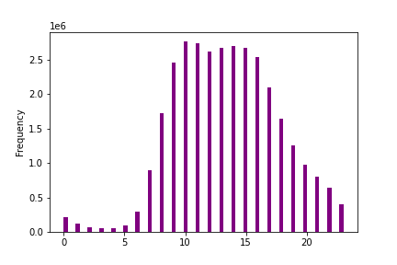
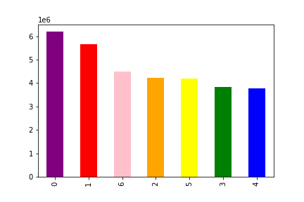
 |  |  | Busiest day of the week = Saturday, Sunday, Friday |  |  |  |  | (Using Graph 2)
 |  |  | Busiest hours of the day = 10am followed by 11 am |  |  |  |  | (Using Graph 1)

 |  |  |  |  |  |  |  |  | GRAPH 2
 |  |  |  |  | GRAPH 1

2) | They also want to know whether there are particular times of the day when people
 | spend the most money, as this might inform the type of products they advertise at
 | these times.

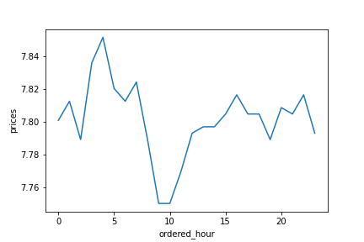
 |  |  | Times of day when people spend more money = 4am

3) | Instacart has a lot of products with different price tags. Marketing and sales want to
 | use simpler price range groupings to help direct their efforts.

 | Using the viz from below graph, we can see the 3 different groups based on prices.
 |  | Mid-range Products have 21 Million orders approx.
 |  | Low-range Products have 10 Million order approx.
 |  | High-range Products have 410000 order approx
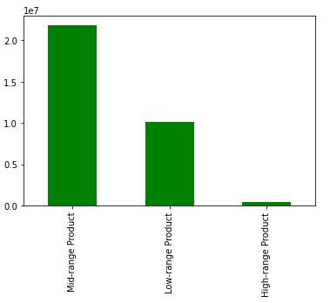

4) | Are there certain types of products that are more popular than others? The marketing
 | and sales teams want to know which departments have the highest frequency of
 | product orders.
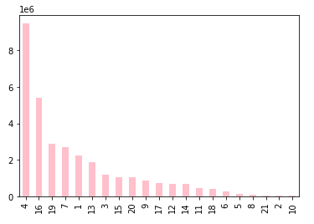

 |  |  |  |  |  |  | Maximum Orders made by :
 |  |  |  |  |  |  | Department 4 - PRODUCE - 9.4 million orders
 |  |  |  |  |  |  | Department 16 - DAIRY EGGS - 5.3 million orders
 |  |  |  |  |  |  | Department 19 - SNACKS - 2.8 million orders

5) | What’s the distribution among users in regards to their brand loyalty
 | (i.e., how often do they return to Instacart)?

 | Using the viz from Graph below, we can see the 3 different groups based on brand loyalty.
 |  | Loyal Customers who have maximum orders of 40 and above.
 |  | Regular Customers who have maximum orders between 10 and 40.
 |  | New Customers who have maximum orders less than 10

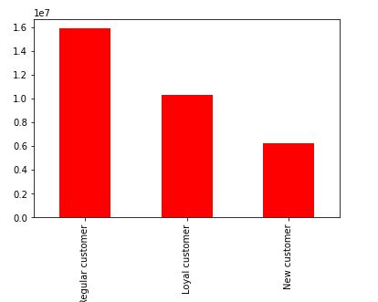

6) | Are there differences in ordering habits based on a customer’s loyalty status?

 |  | Loyal Customers have a count of 10,284,093 orders
 |  | Regular Customers have a count of 15,876,776 orders.
 |  | New Customers have a count of 6243990 orders.

 |  | Regular Customers make more order than Loyal Customers

7) | Are there differences in ordering habits based on a customer’s region?

 |  | Using below graph , we can see the ordering habits based on a customers region
 |  |  |  | Region 3 - 10,791,885 orders
 |  |  |  | Region 4 - 8,292,913 orders
 |  |  |  | Region 2 - 7,597,325 orders
 |  |  |  | Region 1 - 5,722,736 orders
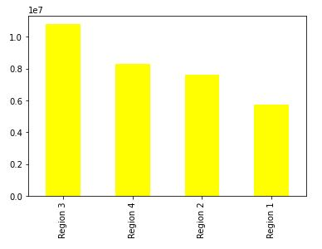

8) | Is there a connection between age and family status in terms of ordering habits?

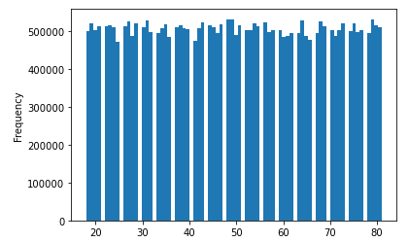

 |  |  |  |  |  | This graph shows that most orders are placed by people who are aged 50 or close to 50 years old.
 |  |  |  |  |  | This is followed by people who are aged 80 or close to 80 years old

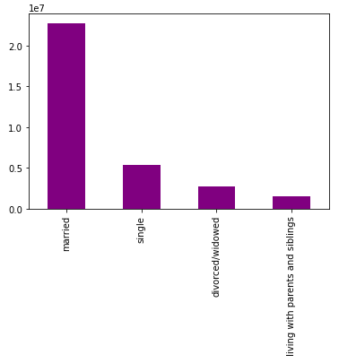

 |  |  |  |  |  | Married people make the most orders and it comes to approx. 22 million orders.

Other graphs From exercise 4.9 are shown below

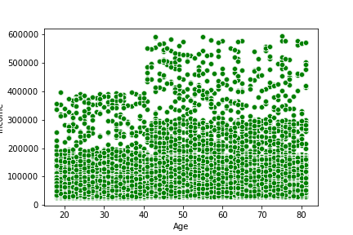

 |  |  |  |  |  | The scatterplot shows that the more older group of customer have a higher spending power due to their high incomes,
 |  |  |  |  |  | as compared to the lower income generated by the customers in lower age group.

 |  |  |  |  |  | Income (spending power) increases a lot for the customers aged 40 onwards.

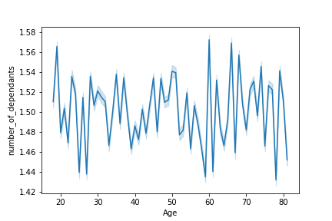

 |  |  |  |  |  | The line graph above shows that the older customers who shop at Insta Cart have more dependants compared to the customers who are younger.
 |  |  |  |  |  | But the graph also shows that customers below 20 years also have a high number of dependants as they could be living with their family.

7. Recommendations
 |  | Title page

Recommendations

In this tab you should include any recommendations you would made to Instcart in terms of their marketing strategy based on the questions posed in the brief. Every key question has been covered in the Tasks of the Exercises - here you need to add an item - a visualisation or table/crosstable that is showing the answer in the data, acompanied by a comment from you. Please, list the questions below and add the answer underneath.

Question | Answer
Key Question 1 | More products are purchased on the weekend, notable Saturday Sunday and Friday. Also the busiest times for orders fall between 10 am and 11 am.
 | If new products need to be introduced on InstaCart, then it is ideal to show them on the weekend.

Key Question 2 | People seem to spend more money on purchasing items around 4 am in the morning.

Key Question 3 | Mid-Range products are sold the most on InstaCart and their price range lies between 5 and 15 euros.
 | Next group with the most products sold would be Low-Range products, which have prices less than 5 euros.
 | High-Range products have a price range above 15 euros and it has the least products sold on InstaCart.

Key Question 4 | More Produce and Dairy goods were sold when compared to any other product on InstaCart. A combined total of 15 million order (approx) were placed for these two goods.
 | InstaCart should make it a priority to refill these two categories of products as they generate the most revenue.

Key Question 5 | Brand Loyalty was categorized based on how many orders were made by a customer.
 | Regular Customers who have maximum orders between 10 and 40. They have the highest number of orders placed on InstaCart.
 | Loyal Customers who have maximum orders of 40 and above and they have the 2nd highest number of orders made.
 | New Customers who have maximum orders less than 10. By either offering gift vouchers or discounts to these customers would enable them to revisit Instacart again.

